Figure S1
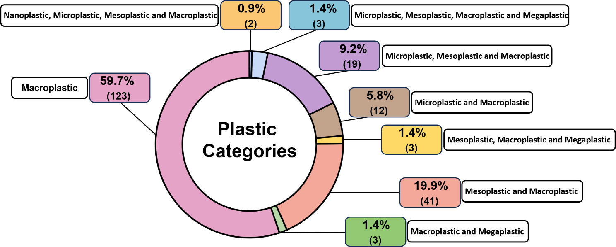

Figure S1. Distribution of the analyzed articles according to the plastic size categories studied.

Figure S2
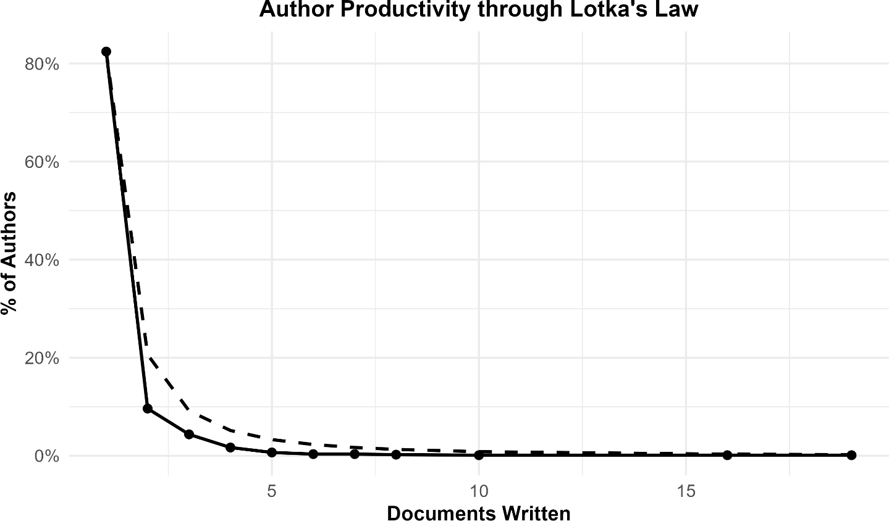

Figure S2. Author productivity distribution according to Lotka's Law. The solid line represents the
observed data, while the dashed line represents the expected distribution based on Lotka's Law. The
majority of authors contributed with a single publication, while a small number of highly productive
authors published multiple articles.

